central_tendency
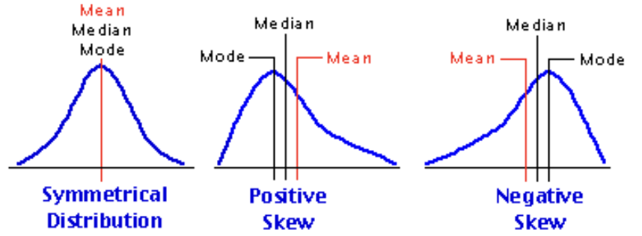
CENTRAL TENDENCY
Measures of Central tendency - Mean, Median, Mode
They tell u what is going in the center of data - they take u to center of data.

MEAN
D1 | D2 | D3
8 | 0 | 9
9 | 5 | 9
10 | 10 | 9
11 | 15 | 9
12 | 20 | 14
mean = | mean = | mean =
10 | 10 | 10

These 3 datasets have same mean, however these datasets are different ?
Can mean capture that difference ? NO

MEDIAN
Median - sort the data and then look at middle value
with median u can say half of people r above this value i.e. median & half below. With mean u can't say this.
if odd number of values like 6, then need to take average of 3rd and 4th value to calculate median.

Note - You should look at whatever numbers are thrown at you with some sort of caution & critical thinking.
Scenario 1 | Scenario 2
100 | 80
150 | 90
200 | 1000
mean = | mean =
150 | 390
but by seeing data we know for 2/3rd of people income has decreased. How do u capture this ? - Median
median = | median =
150 | 90
hence median gives better estimate in this scenario

if u have 1000 people in room & 1 of them is mukesh ambani. U find out avg of all those people
so it can happen that avg value is more than all those 999 people. Hence in such cases median better.

mean has a possibility to get affected by outliers (mukesh ambani here) while median does not.
median does not take into account outliers at all, while mean is a function of all the data points.

Note - in large data we can't visualize, so how we know mean or median ?
if ur data is symetrical, then mean & median should be identical. If ur data has lot of outliers then mean might not be a good representative.

MODE
most frequently occuring value

SKEWNESS

dispersion
DISPERSION
Measures of Dispersion - Range, Variance
They see what is spread in your data

D1 | D2 | D3
8 | 0 | 9
9 | 5 | 9
10 | 10 | 9
11 | 15 | 9
12 | 20 | 14
Here most dispersed data is D2. How to measure ?

range = | range = | range =
(12-8) = 4 | (20-0) = 20 | (14-9) = 5

Limitation of range - It is not considering all the data points (whole dataset) just maximum and minimum points.

D1 | D2
9 | 0
9 | 2
9 | 4
9 | 8
9 | 12
9 | 20
9 | 40
9 | 50
9 | 80
100 | 85
range = | range =
91 | 85

In D1 all are 9's & just one 100 while in D2 we have lot of different points so D2 should have more dispersion but range says D1 has more dispersion.
Any other measure that tries to justify that D2 has more variation ? - This is VARIANCE

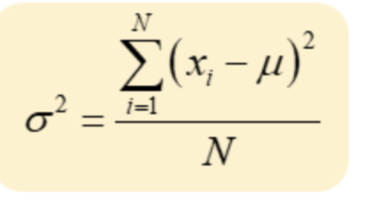
Why do we use square in variance formula ?
D2 | variance
0 | 0-10 = (-10)
5 | 5-10 = (-5)
10 | 10-10 = (0)
15 | 15-10 = (5)
20 | 20-10=(10)
mean = 10 | Net = 0
** Hence if we do not square the numbers in variance formula then these will cancel out & result will be 0 but we need measure of dispersion.

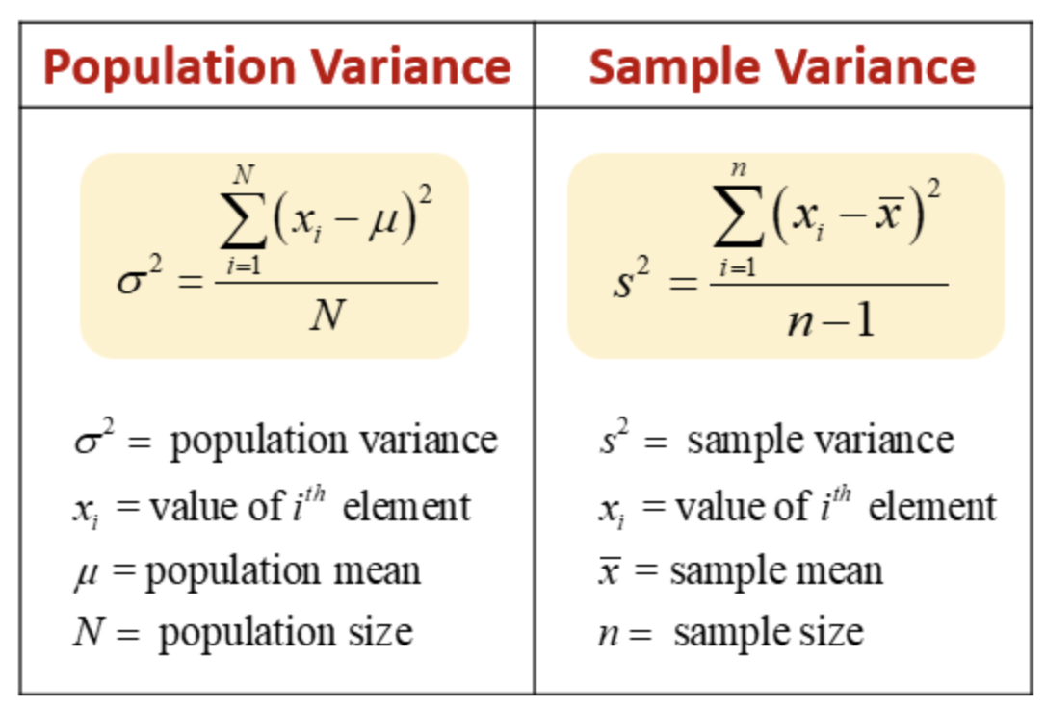

Why do we divide by n in variance formula ?

e.g. we try to compare income inequality in goa and up
u can compare inequality by one of measures of dispersion - eg variance.
Goa | UP
1 | 1
2 | 2
3 | 3
- | -
- | -
10 lakh | -
 | -
 | -
 | -
 | 20 crore or 20*100 lakh

When u apply variance formula even if income inequality is less in UP but it will not show because of size difference.
numerator will always be greater for UP if not divide by n as all +ve terms getting added in numerator.
So if u take larger number of terms, by design it will happen that numerator will be larger for larger number of terms.

Chebyschev Inequality for Population data - Inferences on variance can be extended by this inequality.
Inferences of variance can be extended by this inequality whichwould make stronger statement saying what % of points within given range
Proportion of observation lying b/w [m - k𝝈, m + k𝝈] is atleast (1-1/k^2) for any given dataset (of any distrubution)
when k = 2
we can say that proportion of observation lying b/w value 600 and value 1400 is atleast 3/4th or 75%.
Just by putting summary statistic in this inequality u can make a remark about larger set of data, even without knowing raw data values.
** Note u can pick k of your choice & get inference accordingly.
k will decide how broad interval to be eg k=2 means 75% data lies within, k=3 means 89% data within etc
This inequality states ATLEAST so when u have symmetric data it will be more

In Normal / symmetric / bell shaped distribution
[m - 𝝈, m + 𝝈] - 68%
[m - 2𝝈, m + 2𝝈] - 95%
[m - 3𝝈, m + 3𝝈] - 99.7%
** generally outside 3 s.d is called as an outlier but u can define as per ur needs also outliers

By Chebyschev Inequality Proportion of observation lying b/w [m - 2𝝈, m + 2𝝈] is atleast 75%, in normal it is 95%
Chebyschev Inequality is a general result, applies to any type of distribution (not just normal) even if data contains mukesh ambani this inequlity holds true

By looking at Chebyschev Inequality can u tell me interval that will contain atleast 90% of data.
(1-1/k^2 = 0.90) from here we find value of k & then replace k in [m - k𝝈, m + k𝝈] assuming means & s.d. r provided to us

Advantage of Standard deviation that variance does not pocess?
if u do not want to distort original units of measure (like rupee) then s.d. better.
s.d has units same as that of your original data while in variance it will be rupee^2

Logarithms
